1. Title Page
Project Name: Instacard Grocery 2017
Date: July 2023
Analyst Name: Tatiana Oliveira

Contents:
Population Flow
Consistency checks
Wrangling steps
Column derivations
Visualizations
Recommendations

Data citation
“The Instacart Online Grocery Shopping Dataset 2017”, Accessed from www.instacart.com/datasets/grocery-shopping-2017 via Kaggle on June 2023."

"List of regions of the United States', Accessed from . Wikipedia. https://simple.wikipedia.org/wiki/List_of_regions_of_the_United_States on June 2023"

2. Population Flow
 | Title page

Population flow

Exclusion flag
Condition: max_order < low activity customer - customer with less than 5 orders
Obervations to be removed: 1,440,295
Final total count of order_products_all: 30,964,564

Orders_products_combined
Orders_products_merged
Orders_products_all

Total: 32,404,859
Total: 32,434,489
Total: 30,964,564

1.) The grey boxes in the first row of the population flow represent the original data sets as they were when you downloaded them. In the Total fields you need to add the count of the rows when you imported the data set into Jupyter.
2.) The second row of boxes (coloured) represents the data sets after you manipulated them, e.g., removed missing values and duplicates. In the Total fields you need to add the count of the rows after conducting these operations. This offers a visual oveview of how the data flows throughout the data consistency checks.
3.) The third row, where also the arrows are coloured, represents the merges you performed between the datasets. In the Total fields you need to add the count of the rows in the merged datasets, so that you end up with the final dataset (in the red box). Keep in mind the final dataset should be without exclusions (based on the exclusion flag).

49693

3. Consistency checks
 |  |  |  | Title page
Consistency checks

Dataset | Missing values | Missing values treatment | Duplicates
orders | 206209 rows missing value "days_since_last_order" | No action. The missing value means it's the first time the customer is ordering it. | no duplicates
products | 5 missing values in the "Product Name" column | 5 missing rows were deleted. | 5 duplicates deleted
orders_products_prior | no missing values |  | no duplicates
customers | no missing values |  | no duplicates

4. Wrangling steps
 |  |  |  | Title page
Wrangling steps

Columns dropped | Columns renamed | Columns' type changed | Comment/Reason
Orders dataset - unamed column |  |  | deleted unamed column
Orders dataset - eval_set column |  |  | delted eva_set
customers - first and last name |  |  | delete to protect privacy
departments - unamed |  |  | deleted unamed column
 | Order dataset changed 'order_dow' to 'orders_day_of_week'
 | order dataset 'days_since_prior_order' : 'days_since_last_order'
 | customers = customers.rename(columns={'First Name':'first_name', 'Surnam':'last_name'}) |  | change first and last name for consistency
 |  | customers['first_name'] = customers['first_name'].astype('str') | change to string to avoid mix type
 |  | ['user_id'].astype('int32') | order.product combine to reduce memory
 |  | ['Age'].astype('int16') | order.product combine to reduce memory
 |  | ['order_id'].astype('int32') | order.product combine to reduce memory
 |  | ['income'].astype('int32') | order.product combine to reduce memory
 |  | ['n_dependants'].astype('int8') | order.product combine to reduce memory
 |  | ['order_number'].astype('int16') | order.product combine to reduce memory
 |  | ['orders_day_of_week'].astype('int8') | order.product combine to reduce memory
 |  | ['order_hour_of_day'].astype('int8') | order.product combine to reduce memory
 |  | ['days_since_last_order'].astype('float32') | order.product combine to reduce memory
 |  | ['product_id'].astype('int16') | order.product combine to reduce memory
 |  | ['add_to_cart_order'].astype('int16') | order.product combine to reduce memory
 |  | ['reordered'].astype('int8') | order.product combine to reduce memory
 |  | ['aisle_id'].astype('int16') | order.product combine to reduce memory
 |  | ['department_id'].astype('int8') | order.product combine to reduce memory
 |  | ['prices'].astype('float32') | order.product combine to reduce memory
 |  | ['max_order'].astype('int16') | order.product combine to reduce memory
 |  | ['mean_price'].astype('float32') | order.product combine to reduce memory
 |  | ['median_days_last_order'].astype('float32') | order.product combine to reduce memory
 |  | ['department_id'].astype('int8') | department datase to merge with product_order database

5. Column derivations
 |  |  |  | Title page

Column derivations and aggregations

In this tab you should add tables below that the frequences of flags/label variables that you produced after deriving them. NB: don't do this for continuous variables, only for flags.
Dataset | New column | Column/s it was derived from | Conditions
orders_products_merged | price_range_loc | price | Low-range product <= 5 'Mid-range product' > 5 and <= 15 High range' > 15

orders_products_merged | busiest_day | orders_day_of_week | Busiest day == 0 Least busy == 4 egularly busy = all other

orders_products_merged | Busiest_days | orders_day_of_week | Busiest days == 0 or value ==1: Least busy days == 3 or value == 4: Regularly busy days = all other

orders_products_merged | busiest_period_of_day | order_hour_of_day | Most orders - if value in [10,11,14,15,13,12,16,9] - hours that has more orders count average orders - if value in [17,8,18,19,20,7,21,22]: hours with second highest orders count fewest orders - all other

orders_products_merged | max_order | order_number group by user id | max number of order per user id groupby(['user_id'])['order_number'].transform(np.max)

orders_products_merged | loyalty_flag | max_order | Loyal customer' - max order > 40 Regular customer - max order > 10 and lower or equal 40 New customer - max order lower than 10

orders_products_merged | mean_price | price group by user id | average price per user id groupby(['user_id'])['prices'].transform(np.mean)

orders_products_merged | spending_flag | mean_price | Low spender < 10 High spender >= 10

orders_products_merged | median_days_last_order | days_since_last_order group by user id | median of the days since last order per user id groupby(['user_id'])['days_since_last_order'].transform(np.median)

orders_products_merged | frequency_flag | median_days_last_order | Non-frequent customer > 20 Regular customer <=20 and >10 Frequent customer' < 10

order_customer_prd | customer_activity | max_order | High-activity >= 5 Low-activity <5

order_customer_prd_high | age_group | Age | Young Adult <= 25 Adult > 25 and < 40 Middle Age >=4- and <60 Senior >=60

order_customer_prd_high | income_group | income | Low income <= 67292 Avg income > 67292 and <96765 High income' >96765

order_customer_prd_high | dependant_status | n_dependants | no dependant = 0 with dependant >0

6. Visualizations
 |  |  |  | Title page

Visualisations

In this tab you should include all the visualtions from Exercises 4.9 and 4.10, alongside the questions from the project brief that they answer. Include any commentary on the relationship between different variables.

1. The sales team needs to know what the busiest days of the week and hours of the day are (i.e., the days and times with the most orders) in order to schedule ads at times when there are fewer orders.

 | Fig 1. Total number of orders per day of the week - 0 = Saturday |  |  | Fig 2. Total number of orders per hour



 | Saturday and Sunday are the busiest day. The busiest hours of the day is from 10AM to 4PM

2. Are there any particular times of the day when people spend the most money, as this might inform the type of products they advertise at these times

 | Fig 3. Average product price per day |  | Fig 4. Average product price per hour
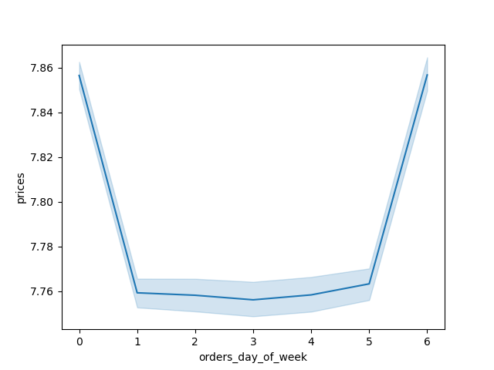
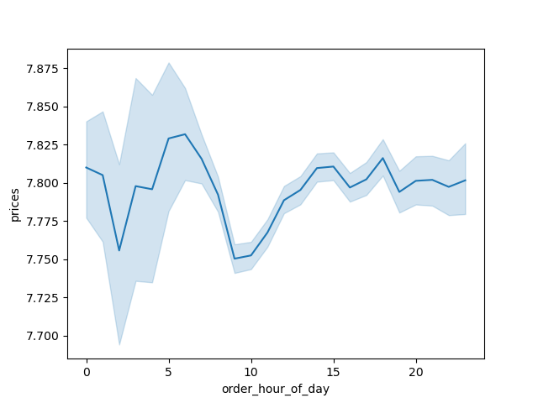

 | Customers buy more expensive items on Satudarsy and ealier morning (before 10AM) or evening (after 3PM)

3. Instacart has a lot of products with different price tags. Marketing and sales want to use simpler price range groupings to help direct their efforts.

 | Fig 5. Histogram of prices



 | Per price histogram, most of the prices are under $15

4. Are there certain types of products that are more popular than others? The marketing and sales teams want to know which departments have the highest frequency of product orders.

 | Fig 6. Total orders per department |  | Fig 7. Top 10 highest selling products
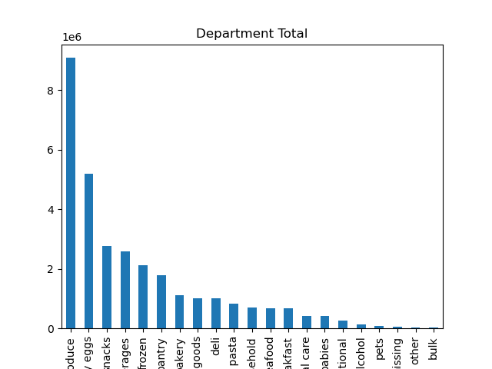



 | Produce, dairy/eggs and snacks are the department with most orders. Fruits are the most sold items

5. What’s the distribution among users in regards to their brand loyalty (i.e., how often do they return to Instacart)

 | Fig 8. Total order per loaylty flag

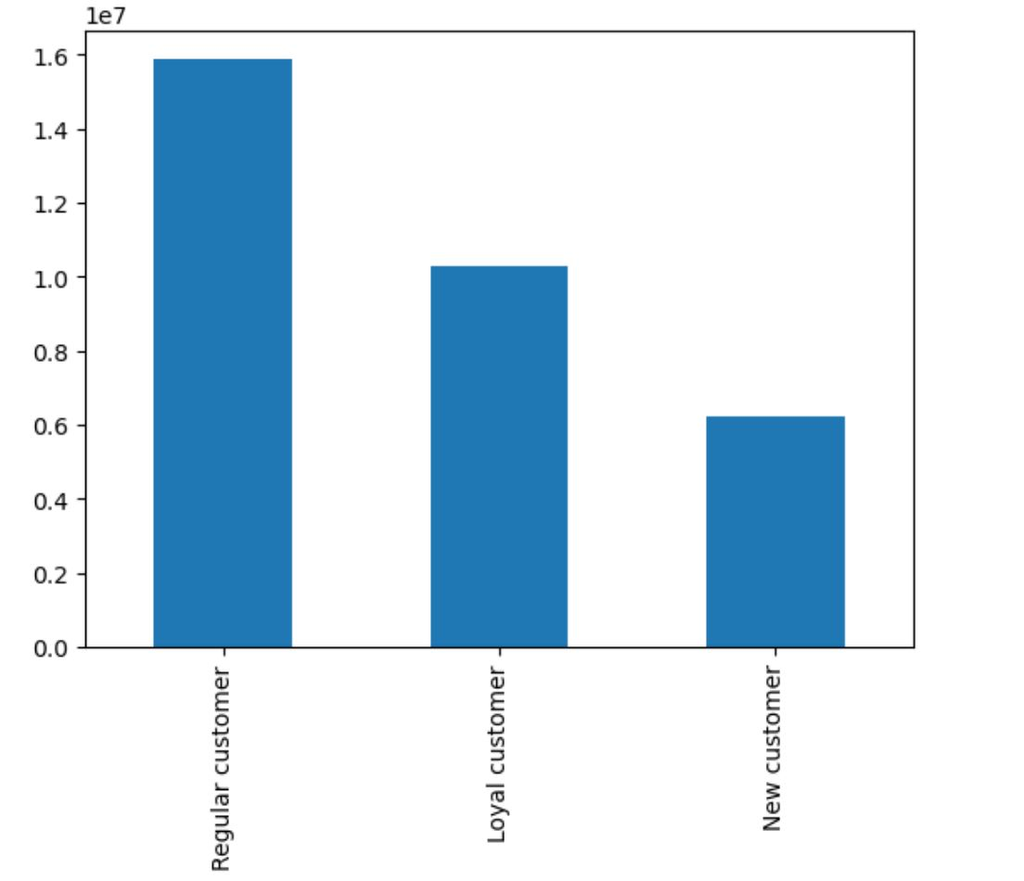

 | Regular customers have more orders and return more often then loyal and new customers

6. Are there differences in ordering habits based on a customer’s loyalty status?

 | Fig 9. Price stats per loyalty flag

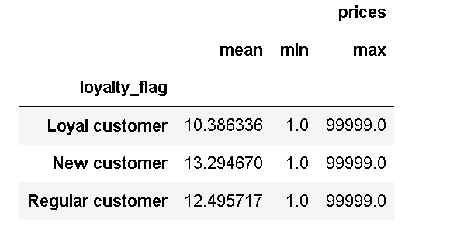

 | New customer usualy pays more for the items. And loyal customer pays less

7. Are there differences in ordering habits based on a customer’s region?

 | Fig 10. Orders per Region |  | Fig 11. Percent of high and low spender customers

Total Orders per Region
 | Total
South | 10,791,885
West | 8,292,913
Midwest | 7,597,325
Northeast | 5,722,736

 | Fig 12. Orders details per Region

 | South and West region have most of the orders. There are not a lot of difference between price and frequency per region

8. Is there a connection between age and family status in terms of ordering habits?

 | Fig 13. Price details per age and family status |  | Fig 14. Frequency of orders per age and family status

 | Single Adults and Young Adult living with parents spend higher than average. Middle Age and Senior spend less on average Married young adult and Single middle age place orders more frequently. Married seniors place more orders

9. What different classiﬁcations does the demographic information suggest? Age? Income? Certain types of goods? Family status?

 | Fig 15. Total orders Age group |  | Fig 16. Age group by region

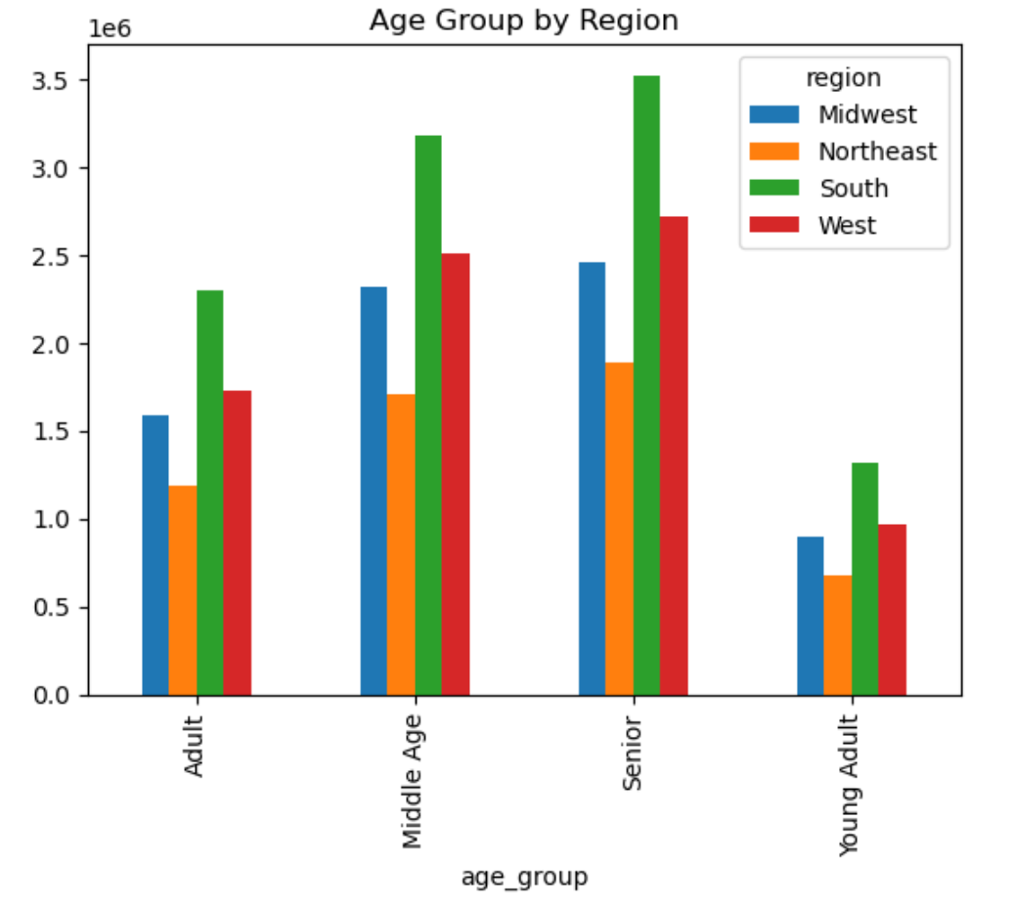
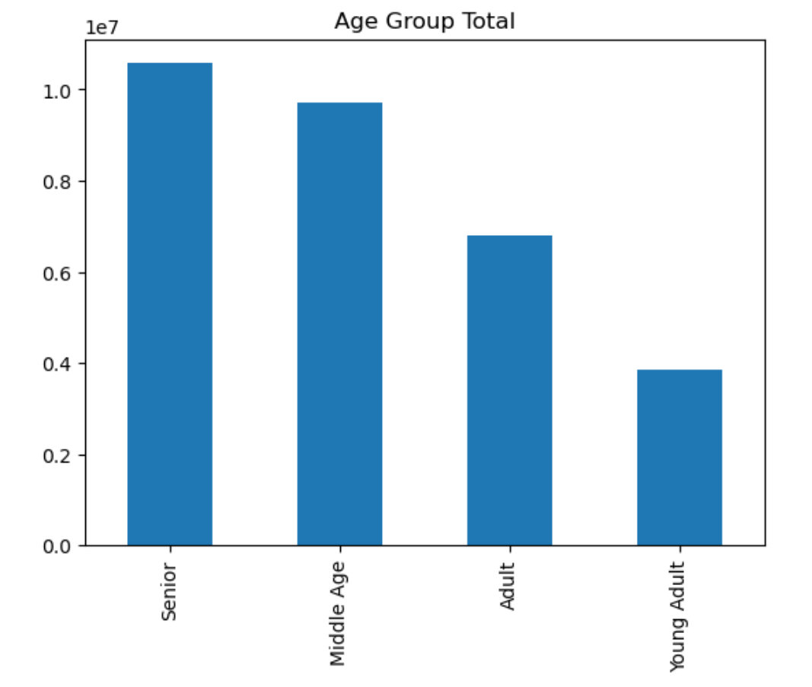

 | Fig 17. Family status and age |  | Fig 18. Total orders Income group

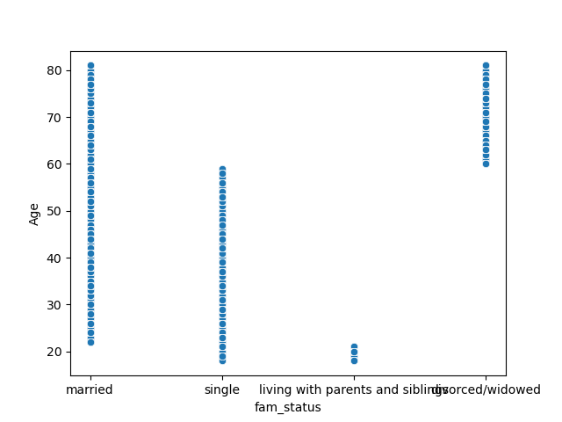
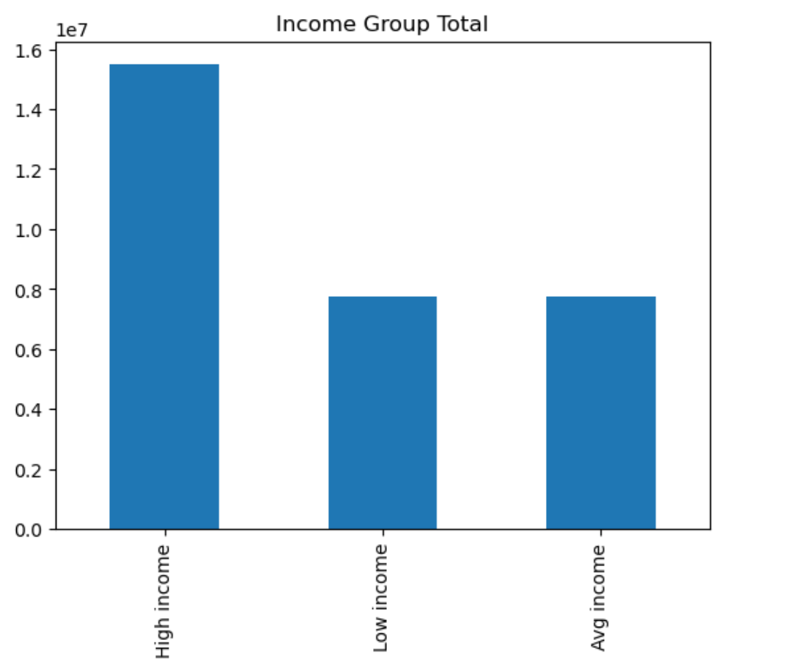

 | Fig 19. Income per Age group
 |  |  | Fig 20. Income per rregion

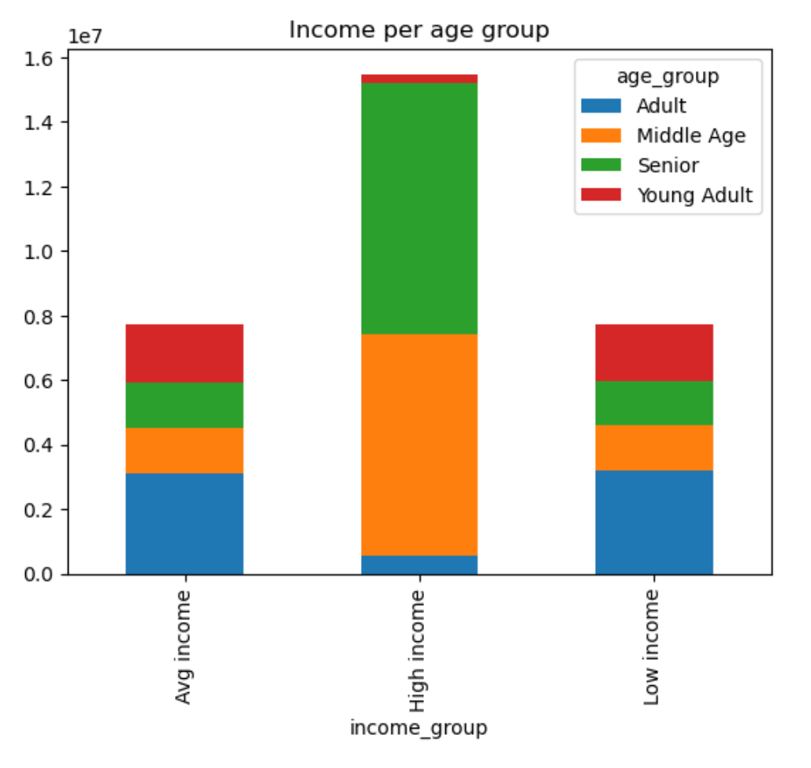
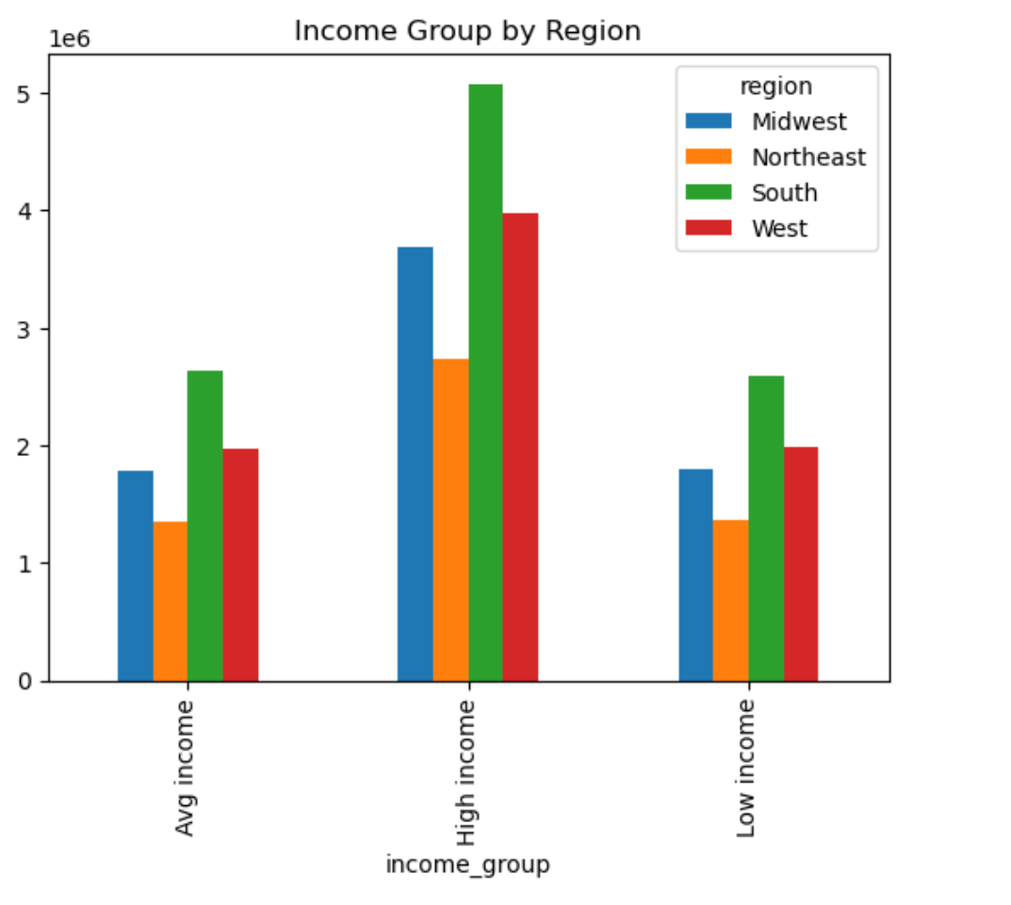

 |  |  | Fig 22. Percentage of orders per region per dependant status

 |  | Fig 21. Total orders dependant status

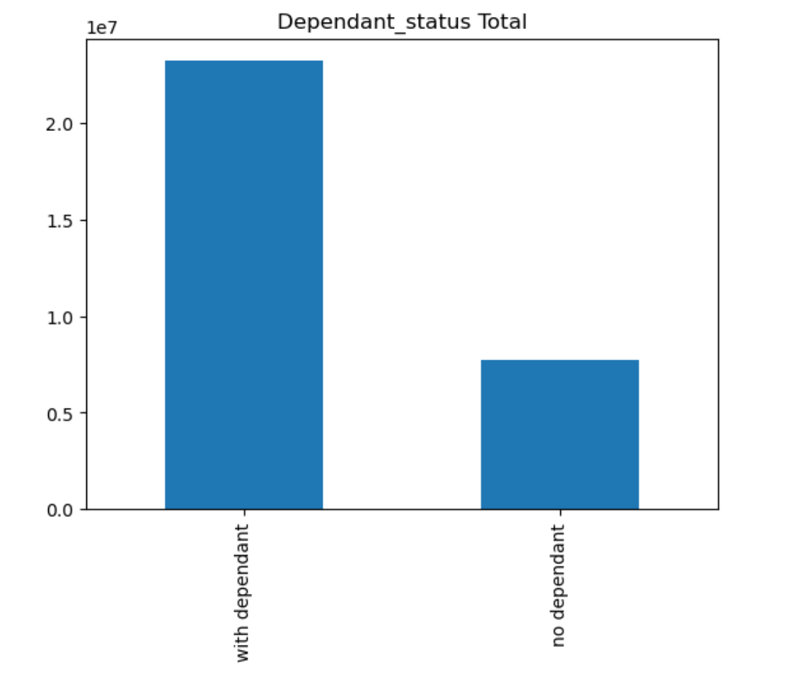
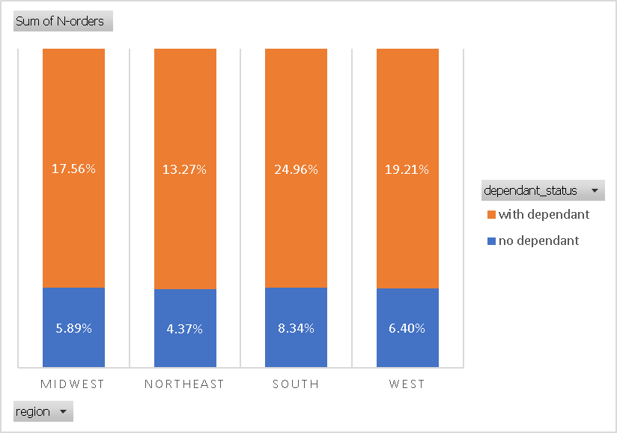

 | Fig 23. Demographic details

 | Seniors, married, with dependant and high income place more orders and more frequent and with higher price products

10. What differences can you ﬁnd in ordering habits of different customer proﬁles?

 | Fig 24. Department per age group |  | Fig 25. Department per income group
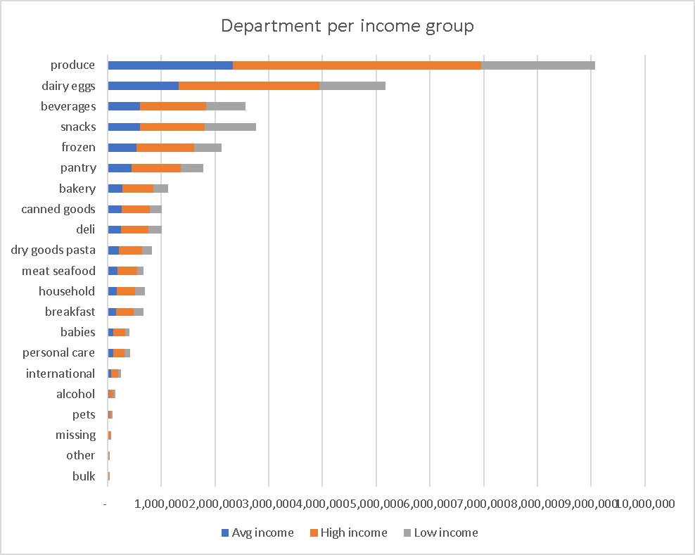
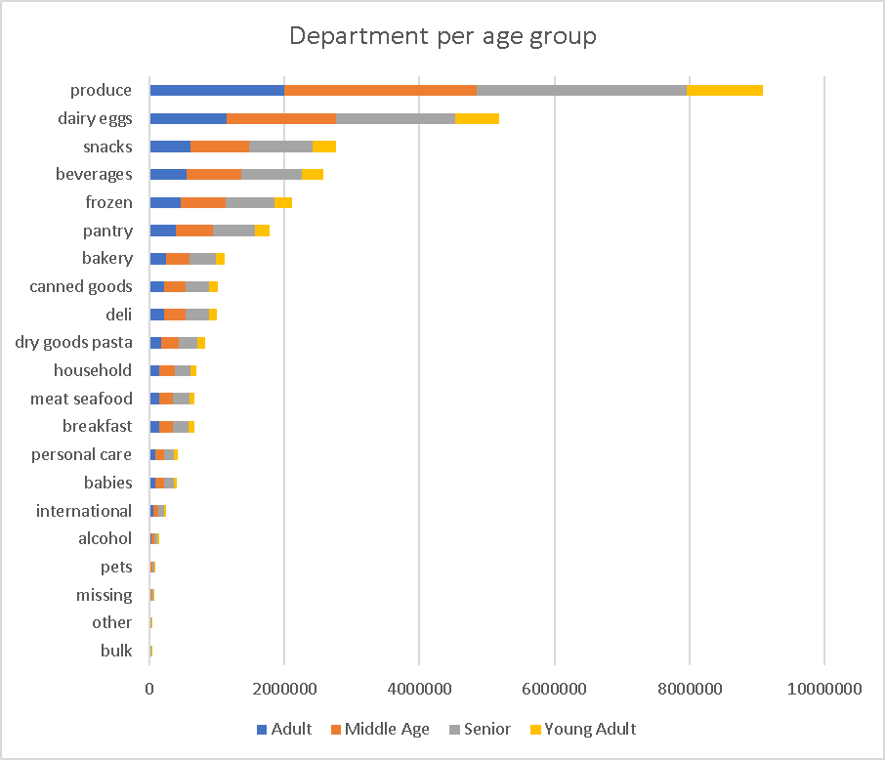

 | Fig 26. Department per idependant group

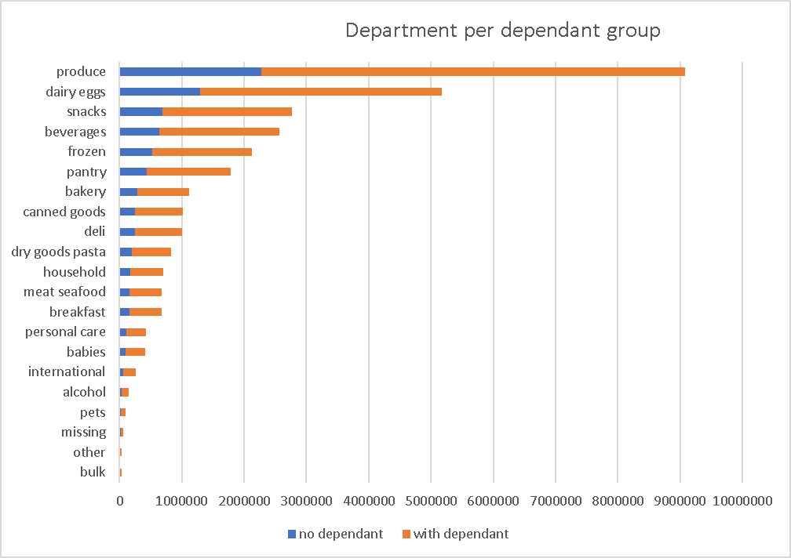

 | Produce, diary, snacks and beverage are the top 4 departments for all groups

7. Recommendations
 |  |  |  | Title page

Recommendations

Question
1. The sales team needs to know what the busiest days of the week and hours of the day are (i.e., the days and times with the most orders) in order to schedule ads at times when there are fewer orders.

Answer
Saturday and Sunday are the busiest day. Tuesday and Wednesday are the lowest days The busiest hours of the day is from 10AM to 4PM

Recommendation
Promeote the most expensive items on Saturday and Sunday to increase orders on the high value items.
Add ofers and discount on Tuesdays and Wednesdays to increase the number of orders

2. Are there any particular times of the day when people spend the most money, as this might inform the type of products they advertise at these times

Answer

The busiest time of the day is bewteen 10am and 5 PM. However, customers buy more expensive items on Satudarsy and ealier morning (before 10AM) or evening (after 3PM)

Recommendation
Advertize the expensive items during the morning or evening periods to attract more orders.

3. Instacart has a lot of products with different price tags. Marketing and sales want to use simpler price range groupings to help direct their efforts.

Answer
Per price histogram, most of the prices are under $15

Recommendation
Review price structure and do some promotions when possible. Invest more in products lower than $15

4. Are there certain types of products that are more popular than others? The marketing and sales teams want to know which departments have the highest frequency of product orders.

Answer

Produce, dairy/eggs and snacks are the department with most orders. Fruits are the most sold items

Recommendation
Organize those items in the supermarket entrance for easy access.

5. What’s the distribution among users in regards to their brand loyalty (i.e., how often do they return to Instacart)

Answer

Regular customers have more orders and return more often then loyal and new customers

Recommendation
Offer points cards to increase customer loyalty. Customers will earn points for shopping or get special discounts with the card.

6. Are there differences in ordering habits based on a customer’s loyalty status?

Answer

New customer usualy pays more for the items. And loyal customer pays less

Recommendation

Post adds in different channels (social media, radio, tv, flyers) to actract new customers

7. Are there differences in ordering habits based on a customer’s region?

Answer

South and West region have most of the orders. There are not a lot of difference between price and frequency per region

Recommendation

Keep the marketing strategy on South and west regions. Do a survery on the midwest and northeast region to rate their preferred market.

8. Is there a connection between age and family status in terms of ordering habits?

Answer

On average, single Adults and Young Adult buy products with an higher than average price . Middle Age and Senior buy more cheaper products Married young adult and Single middle age place orders more frequently. Married seniors place more orders

Recommendation

Increase adds on college and universtiy to attract more single adults and young adults.

9. What different classiﬁcations does the demographic information suggest? Age? Income? Certain types of goods? Family status?

Answer

Seniors, married, with dependant and high income place more orders and more frequent and with higher price products

Recommendation

Focus the marketing stragegy on the top 10 demographic

Demographic status | Mean-Price | Mean-frequency | Total orders
Senior-married-with dependant-High income | $7.96 | 10.77 | 5,830,160
Middle Age-married-with dependant-High income | $7.96 | 10.80 | 5,144,144
Adult-married-with dependant-Low income | $7.60 | 10.79 | 2,378,823
Adult-married-with dependant-Avg income | $7.95 | 10.81 | 2,317,541
Senior-divorced/widowed-no dependant-High income | $7.95 | 10.70 | 1,951,774
Middle Age-single-no dependant-High income | $7.95 | 10.73 | 1,729,310
Middle Age-married-with dependant-Low income | $6.84 | 11.15 | 1,082,062
Senior-married-with dependant-Avg income | $7.95 | 10.78 | 1,070,875
Middle Age-married-with dependant-Avg income | $7.93 | 10.73 | 1,064,909
Senior-married-with dependant-Low income | $6.71 | 11.15 | 1,028,198

10. What differences can you ﬁnd in ordering habits of different customer proﬁles?

Answer

Produce, diary, snacks and beverage are the top 4 departments for all groups

Recommendation

Invest in more product diversity on the top 4 departments.

